1.1 Soal 1
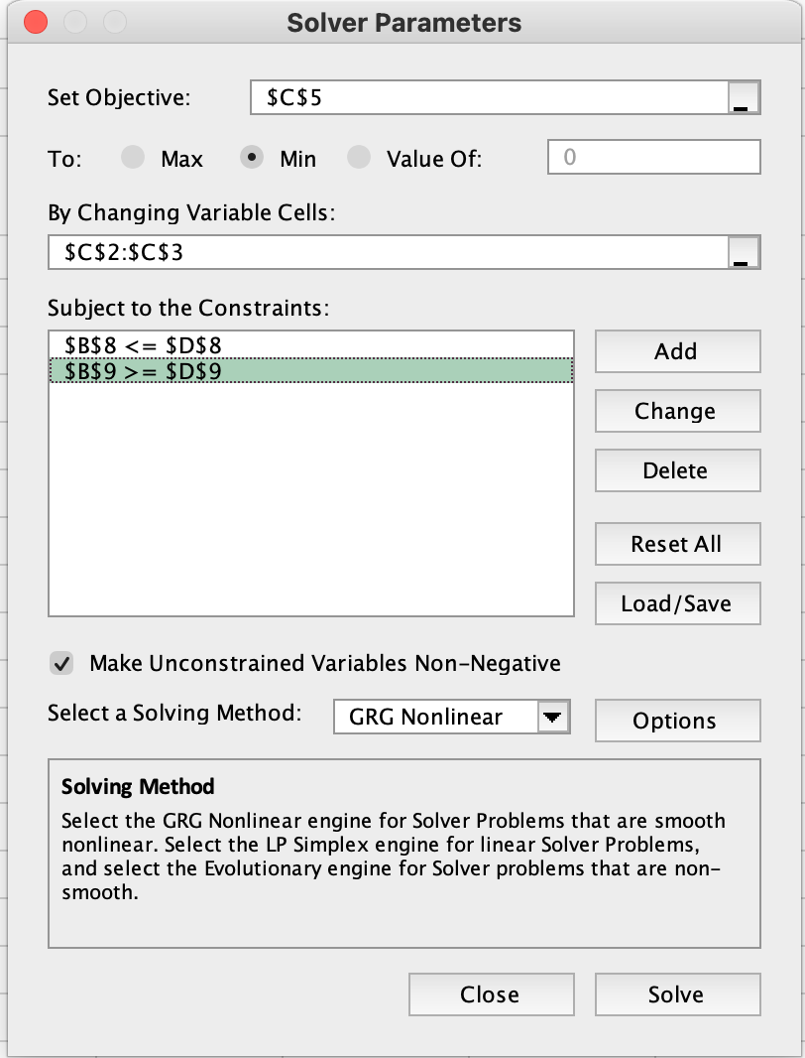
 | x = | 0
 | y = | 7.5
Fungsi Objective
 | min, Z= | 5625000

Constraints
C1 | 7.5 | <= | 8
C2 | 30 | >= | 30

1.1 Soal 2
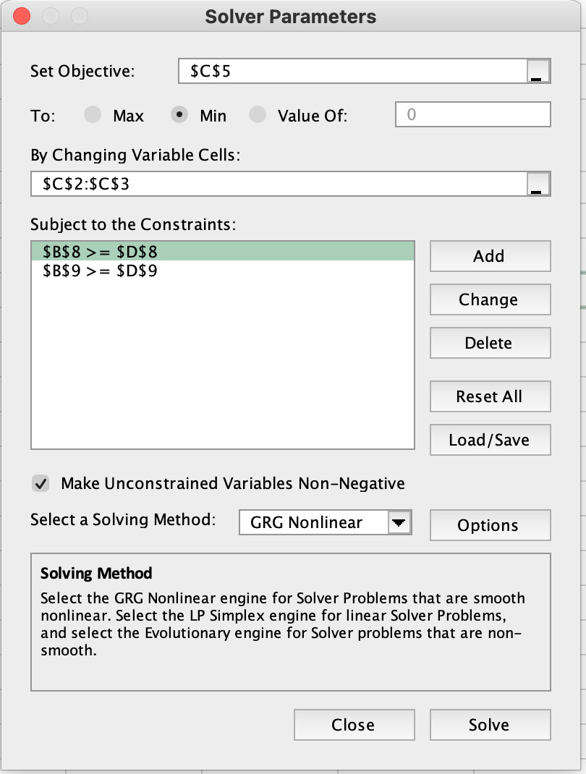
 | x = | 16
 | y = | 6
Fungsi Objective
 | min, Z= | 367000

Constraints
C1 | 60 | >= | 60
C2 | 72 | >= | 72

1.2
(number of product 1) | x = | 0
(number of product 2) | y = | 42.222222222
(number of product 3) | z = | 156.66666667
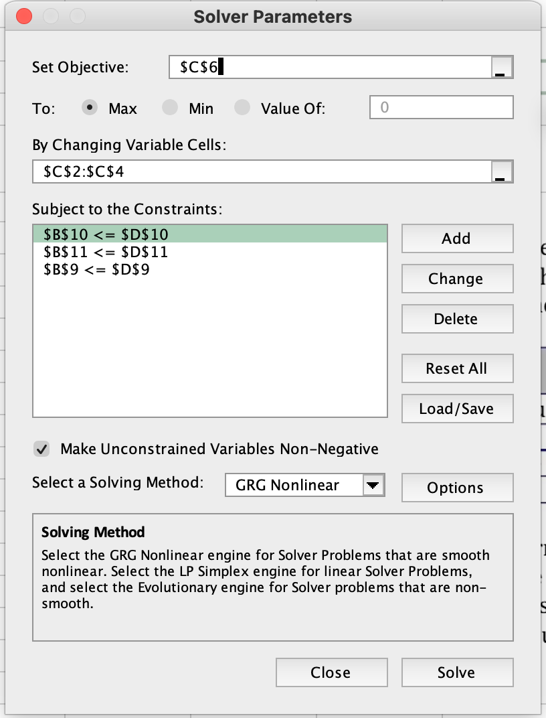
Fungsi Objective
 | max, Z= | 1066.6666667
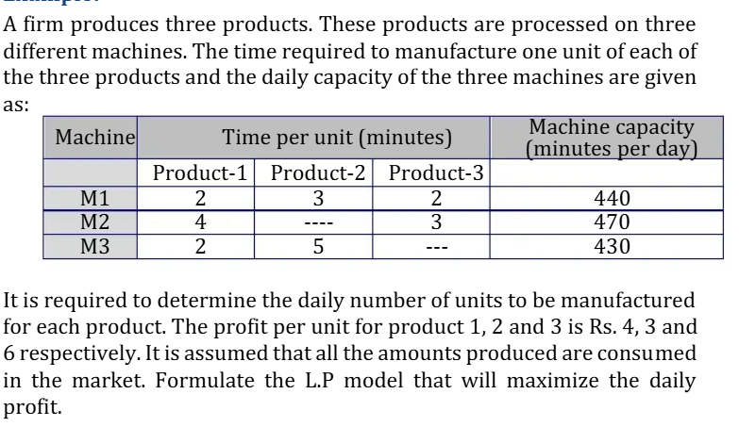
Constraints
C1 | 440 | <= | 440
C2 | 470 | <= | 470
C3 | 211.11111111 | <= | 430

1.3
(jumlah produk I) | x1 = | 78
(jumlah produk II) | x2 = | 0
(jumlah produk III) | x3 = | 54
(jumlah produk IV) | x4 = | 0
Fungsi Objective
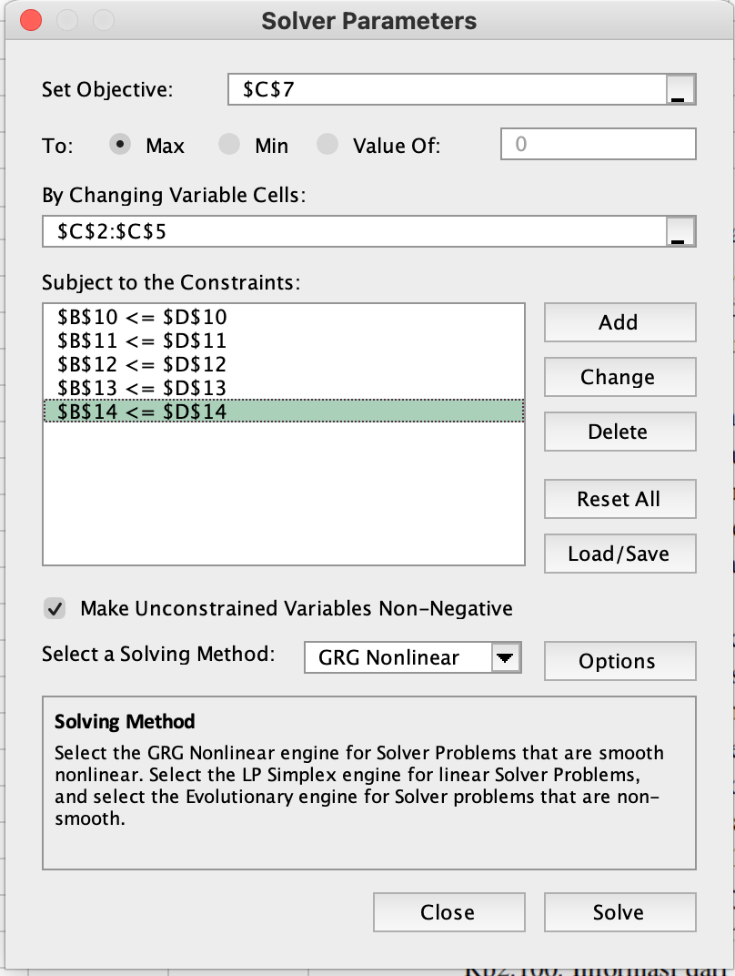
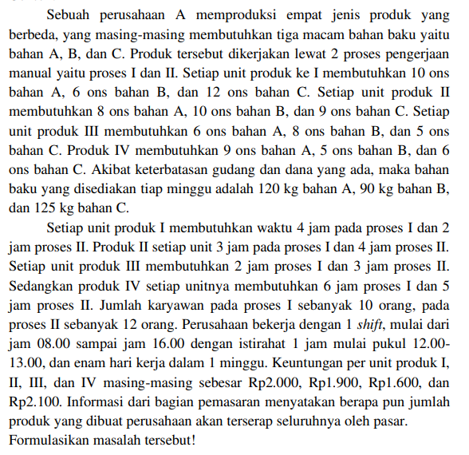
 | max, Z= | 242400

Constraints
C1 | 1104 | <= | 1200
C2 | 900 | <= | 900
C3 | 1206 | <= | 1250
C4 | 420 | <= | 420
C5 | 318 | <= | 504

2.1 Problem 1
(Jumlah meja) | x = | 12
(Jumlah kursi) | y = | 6
Fungsi Objective
 | max, Z= | 1320000

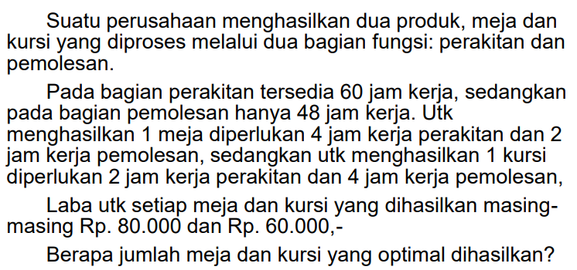
Constraints
C1 | 60 | <= | 60
C2 | 48 | <= | 48

2.2 Problem 2
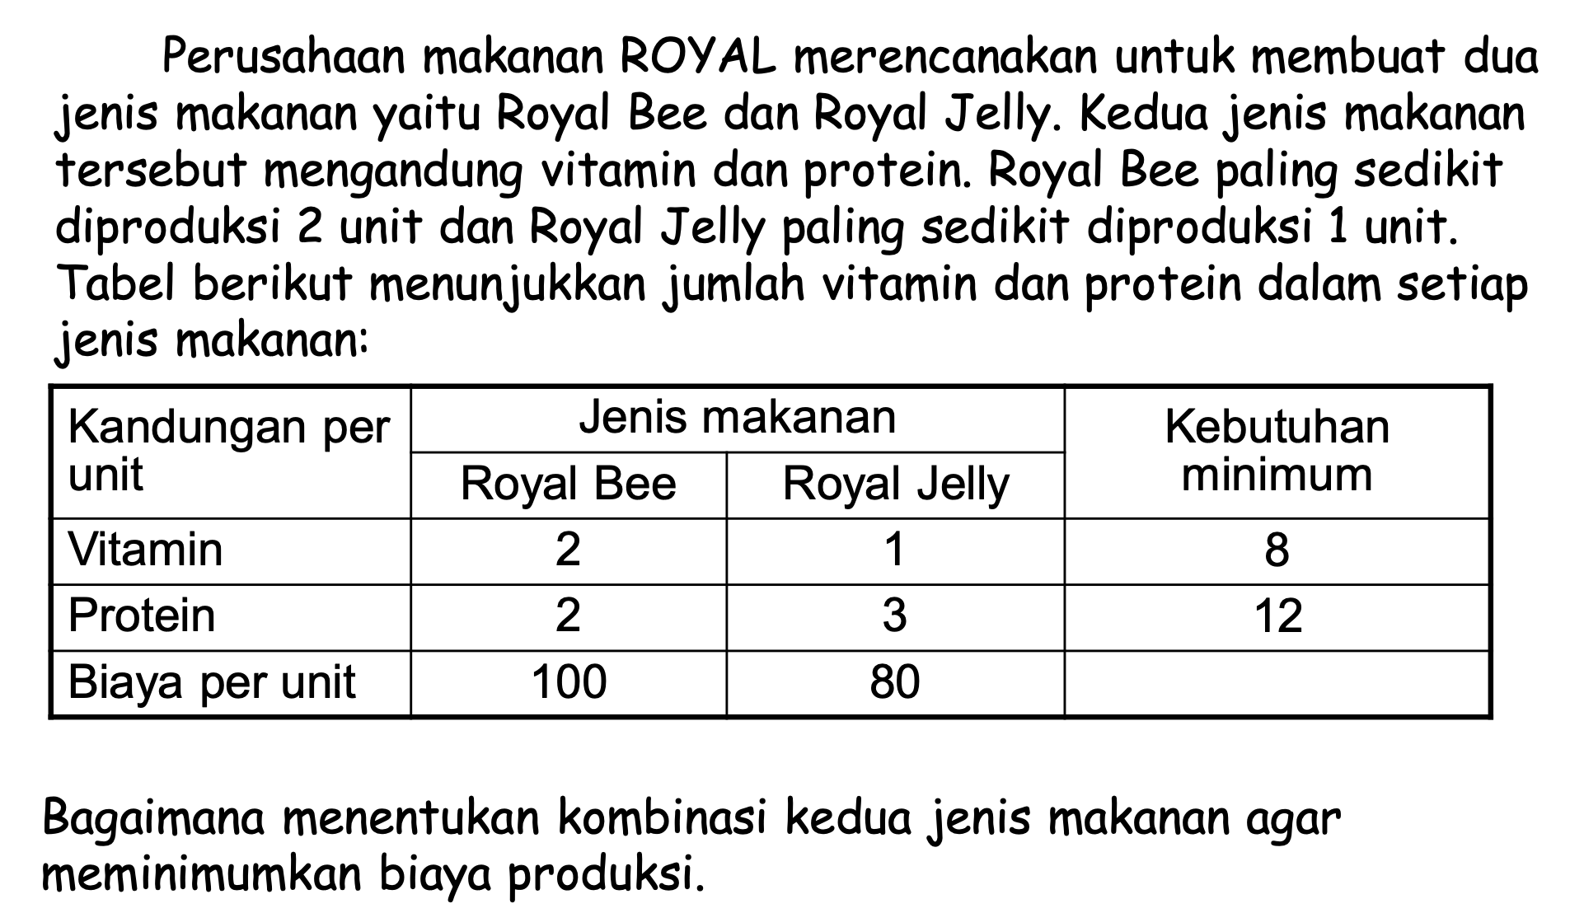
(Jumlah Royal Bee) | x = | 3
(Jumlah Royal Jelly) | y = | 2
Fungsi Objective
 | min, Z= | 460

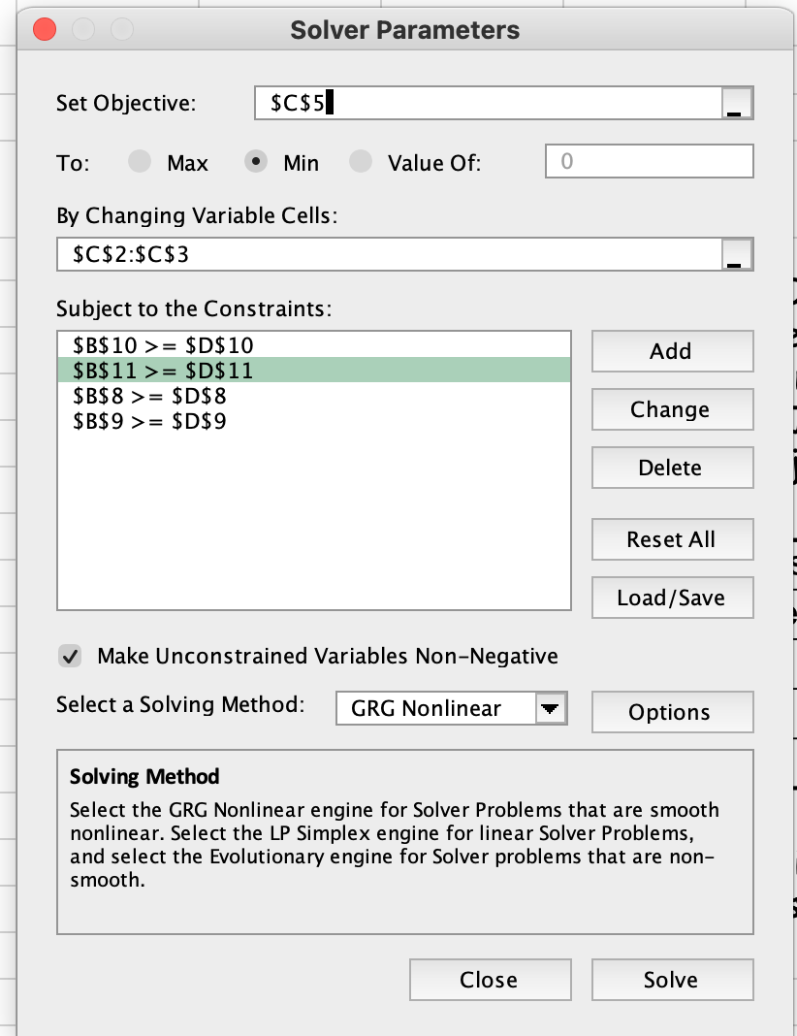
Constraints
C1 | 8 | >= | 8
C2 | 12 | >= | 12
C3 | 3 | >= | 2
C4 | 2 | >= | 1

2.3 Problem 3
A | x = | 0.5
B | y = | 0
C | z = | 0.5
Fungsi Objective
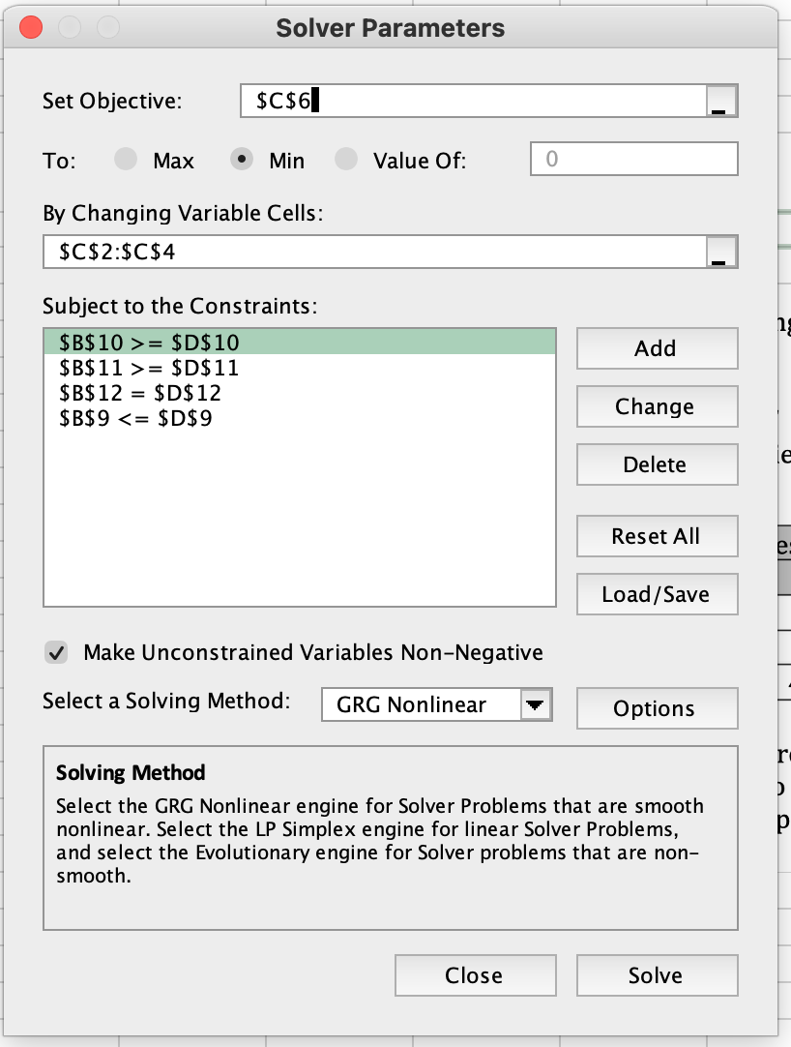
 | min, Z= | 65

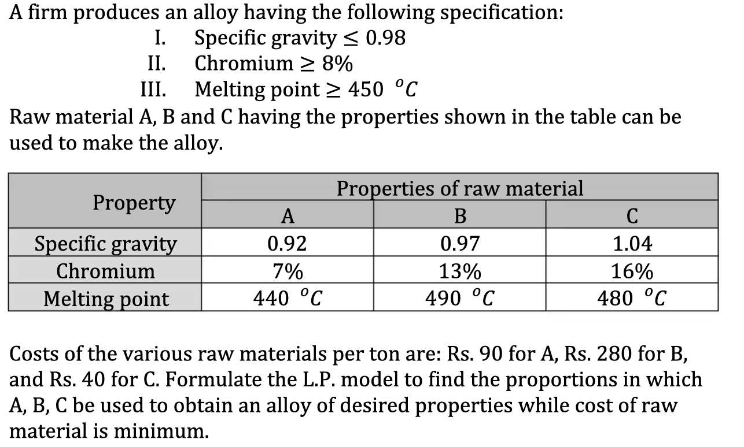
Constraints
C1 | 0.98 | <= | 0.98
C2 | 11.5 | >= | 8
C3 | 460 | >= | 450
C4 | 1 | = | 1

